Shunt
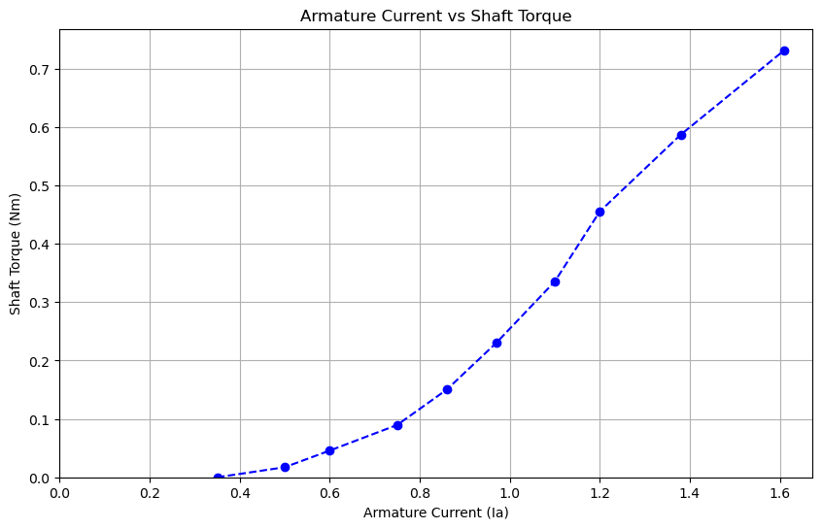
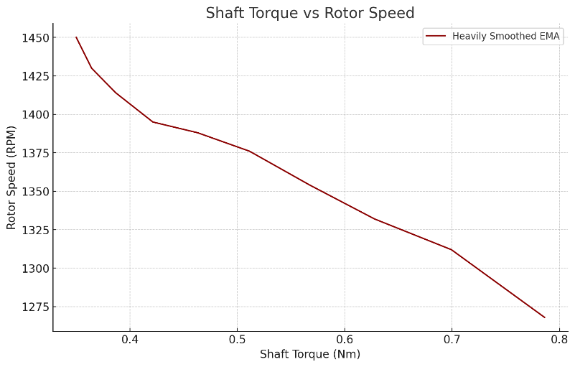
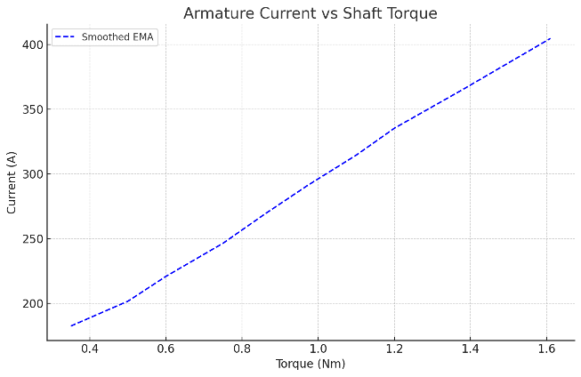
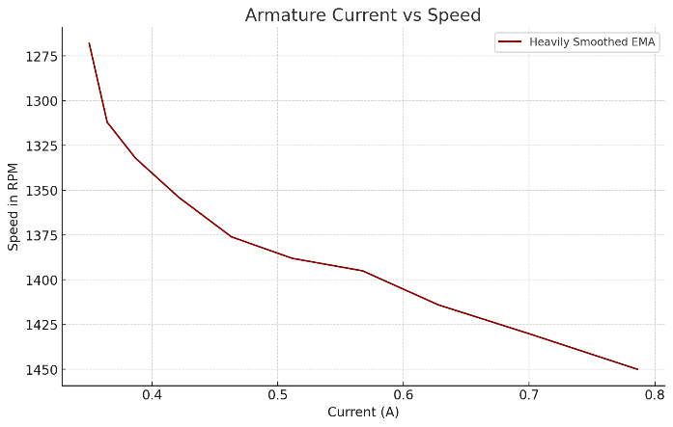
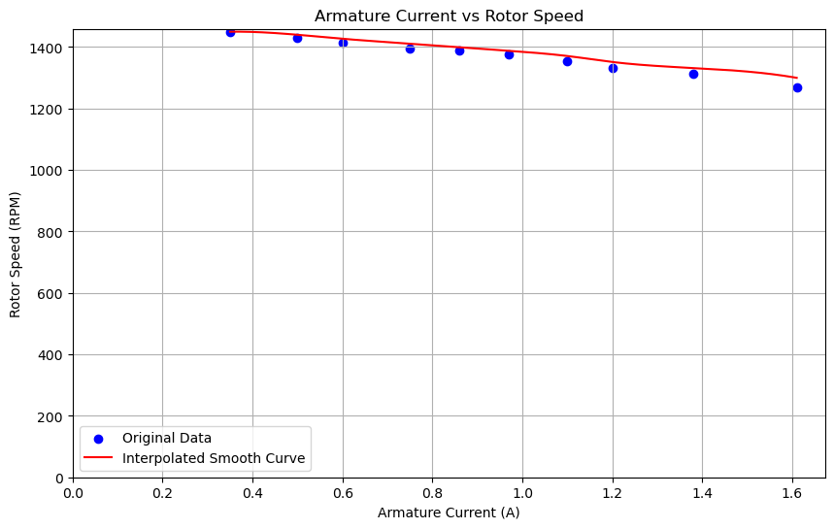
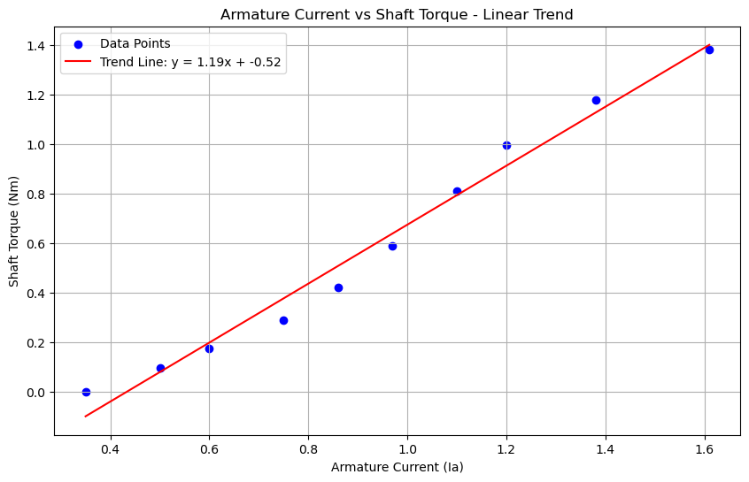
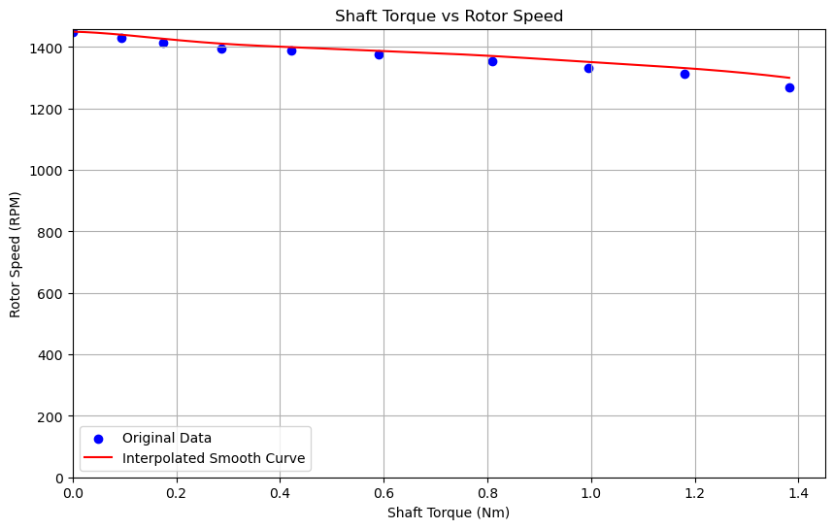
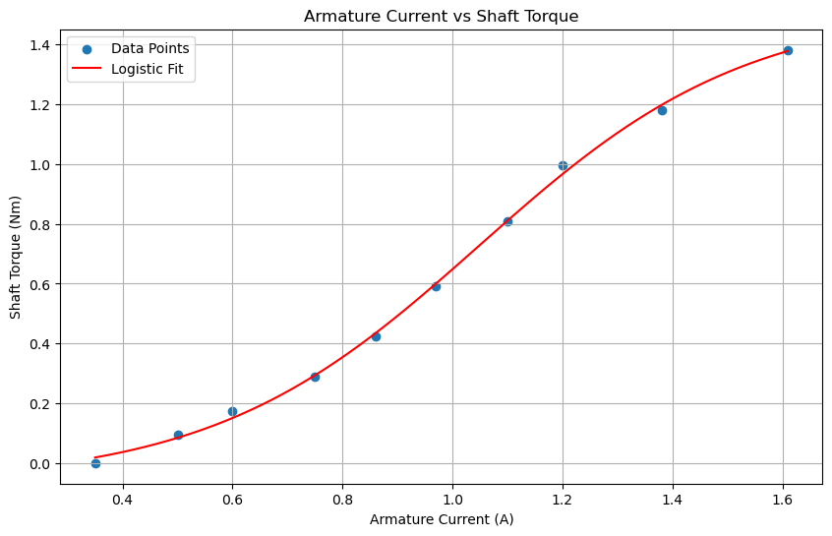
Experiment Name |  | DC Shunt Motor - HND Y1 |  |  |  |  |  |  | Electrical Machines Lab Framework |  |  | Made for
Student ID | 112233 |  | Date | 2024-03-28 |  |  |  |  | 2024-03-25 | by Akbar Q
Fixed Variables | Field Current | Shaft Radius | Gravity | Co-efficient of F |  | Notes | * VA is for AC Macine, W is for DC Machine
 | Amps | Meters (r) | m/s^2 | μ
 | 0.6 | 0.035 | 9.81 | 0.6

Input Voltage | Armature Ia | Input Power | Load (S1) | Load (S2) | Shaft Tension | Speed | Friction Exerted | Shaft Torque | Output Power | Phase V-I | Power Factor | Efficiency | Effciency %
V | A | VA/W* | kg | kg | Newtons | RPM (N) | Newtons (Ff) | Nm (T) | Watts/VA* | Degrees | P.F | η | η %
Measure | Measure | V * If+Ia | Measure | Measure | (S1+S2)*g | Measure | μ*Tension | Ff*r | 2*pi*N*T/60 | Measure | Measure | Pout*P.F/Pin | η*100
192 | 0.35 | 182.4 | 0.000 | 0.000 | 0 | 1450 | 0 | 0 | 0 | 0 | 1 | 0 | 0
192 | 0.50 | 211.2 | 0.245 | 0.215 | 4.5126 | 1430 | 2.70756 | 0.0947646 | 14.183733564 | 0 | 1 | 0.067157829375 | 6.7157829375
192 | 0.60 | 230.4 | 0.415 | 0.430 | 8.28945 | 1414 | 4.97367 | 0.17407845 | 25.763378495 | 0 | 1 | 0.11182021916 | 11.182021916
192 | 0.75 | 259.2 | 0.705 | 0.690 | 13.68495 | 1395 | 8.21097 | 0.28738395 | 41.96093054 | 0 | 1 | 0.16188630609 | 16.188630609
192 | 0.86 | 280.32 | 0.840 | 1.210 | 20.1105 | 1388 | 12.0663 | 0.4223205 | 61.353596052 | 0 | 1 | 0.21886984893 | 21.886984893
192 | 0.97 | 301.44 | 1.135 | 1.730 | 28.10565 | 1376 | 16.86339 | 0.59021865 | 85.004076931 | 0 | 1 | 0.281993355 | 28.1993355
192 | 1.10 | 326.4 | 1.505 | 2.420 | 38.50425 | 1354 | 23.10255 | 0.80858925 | 114.59219039 | 0 | 1 | 0.35107901468 | 35.107901468
192 | 1.20 | 345.6 | 1.890 | 2.940 | 47.3823 | 1332 | 28.42938 | 0.9950283 | 138.72286547 | 0 | 1 | 0.40139718019 | 40.139718019
192 | 1.38 | 380.16 | 2.415 | 3.310 | 56.16225 | 1312 | 33.69735 | 1.17940725 | 161.95934866 | 0 | 1 | 0.42602943144 | 42.602943144
192 | 1.61 | 424.32 | 2.655 | 4.055 | 65.8251 | 1268 | 39.49506 | 1.3823271 | 183.45876651 | 0 | 1 | 0.43235946104 | 43.235946104

Armature Current vs Shaft Torque

Series
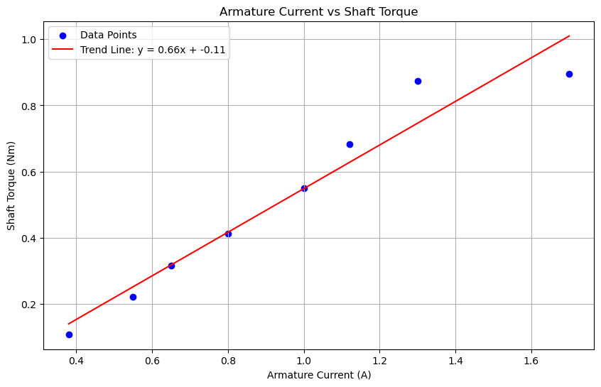
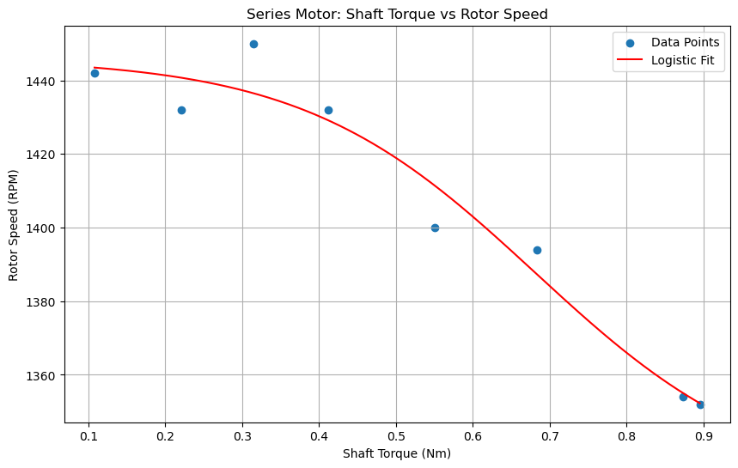
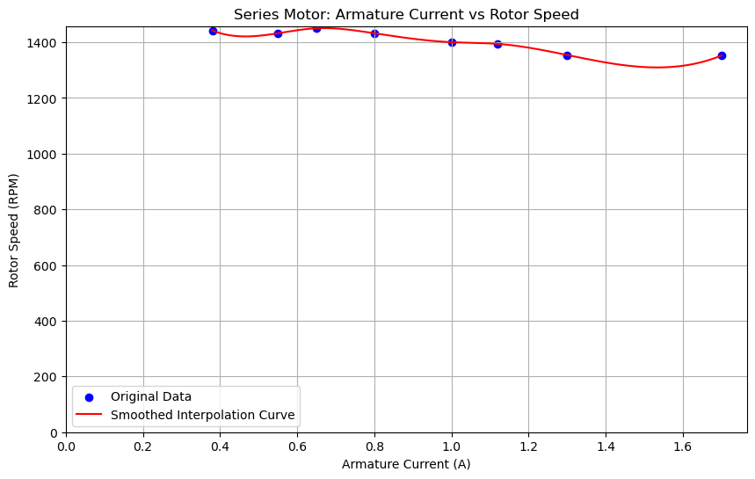
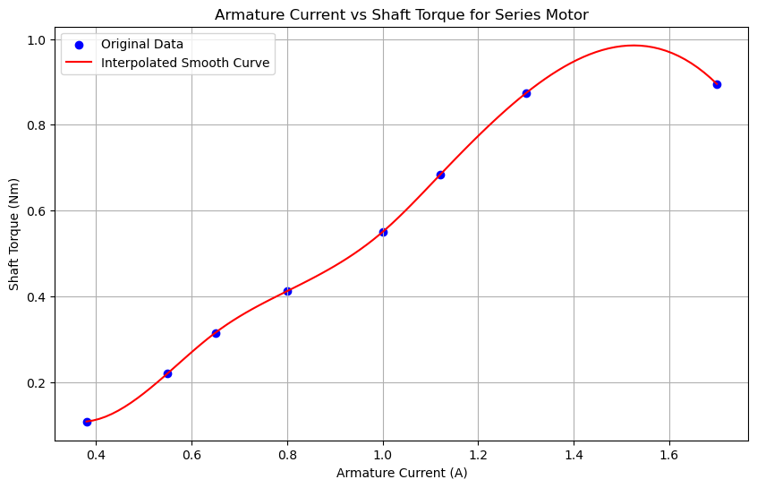
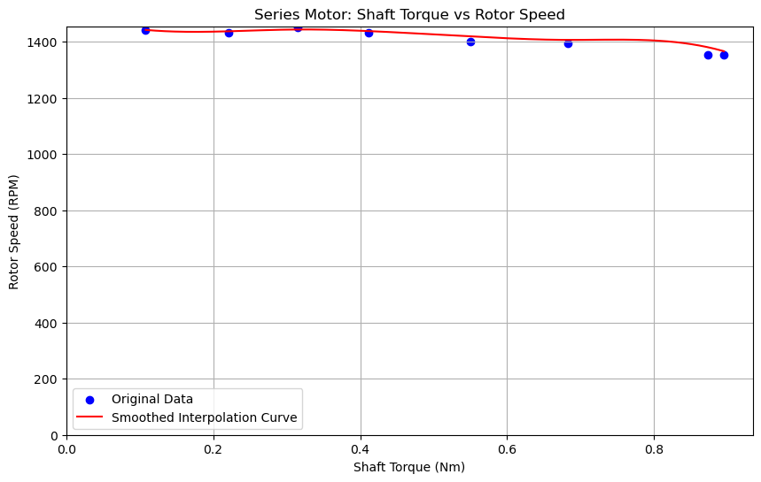
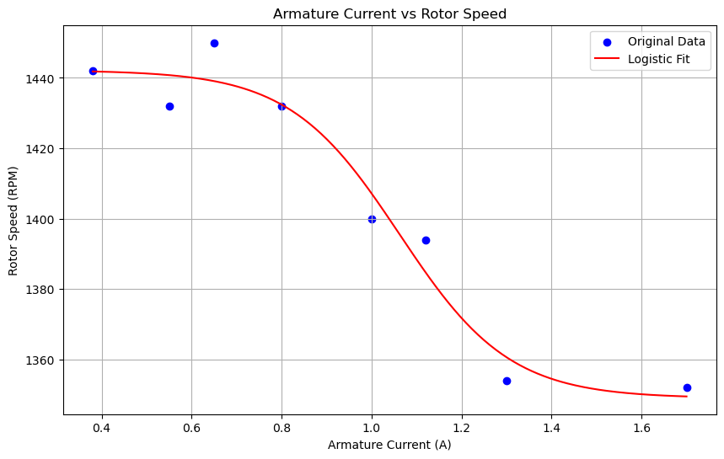
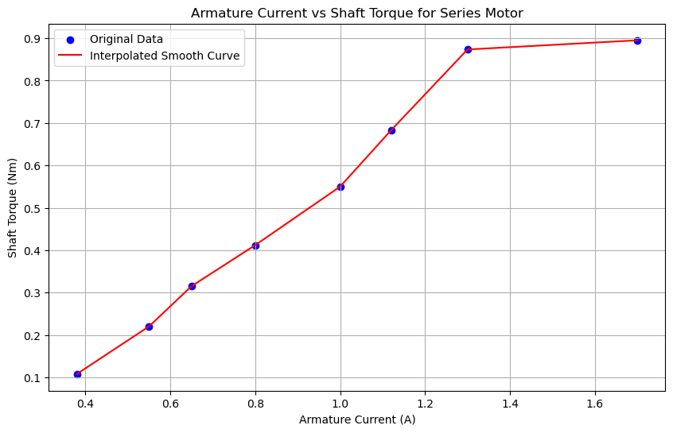
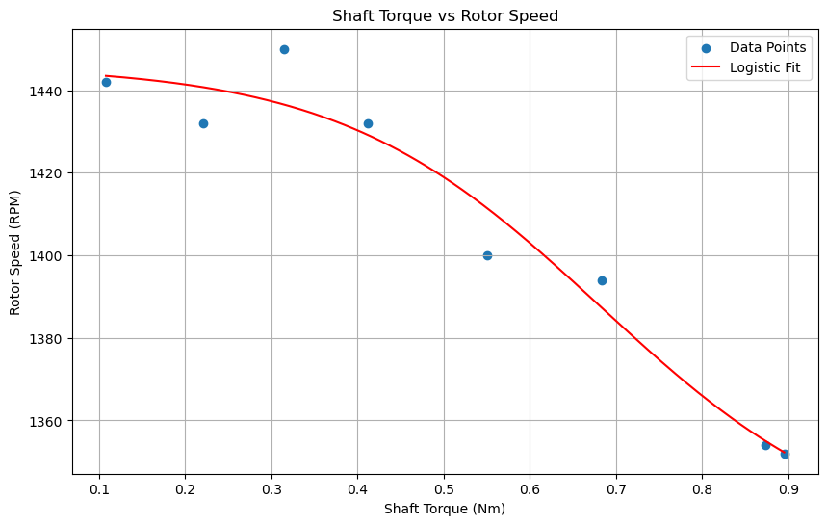
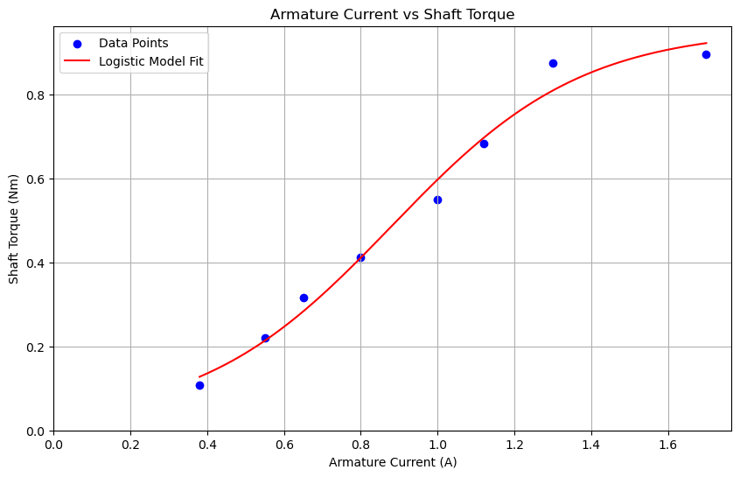
Experiment Name |  | DC Series Motor |  |  |  |  |  | Electrical Machines Lab Framework V1.1 |  |  |  | Made for
Student ID | 111222 |  | Date | 2024-03-25 |  |  |  | Date | 2024-03-28 | by Akbar Q
Fixed Variables | Field Current | Shaft Radius | Gravity | Co-efficient of F | Moment Inertia | Notes | * VA is for AC Macine, W is for DC Machine
 | Amps | Meters (r) | m/s^2 | μ | - |  | Correction Made: Shaft is Measured as Radius (Only Name is Changed, Not Formula)
 | 0.6 | 0.035 | 9.81 | 0.6 | -

Input Voltage | Armature Ia | Input Power | Load (S1) | Load (S2) | Shaft Tension | Speed | Friction Exerted | Shaft Torque | Output Power | Phase V-I | Power Factor | Efficiency | Effciency %
V | A | VA/W* | kg | kg | Newtons | RPM (N) | Newtons (Ff) | Nm (T) | Watts/VA* | Degrees | P.F | η | η %
Measure | Measure | V * If+Ia | Measure | Measure | (S1+S2)*g | Measure | μ*Tension | Ff*r | 2*pi*N*T/60 | Measure | Measure | Pout*P.F/Pin | η*100
192 | 0.380 | 188.16 | 0.23 | 0.295 | 5.15025 | 1442 | 3.09015 | 0.10815525 | 16.323799779 | 0 | 1 | 0.086754888281 | 8.6754888281
192 | 0.550 | 220.8 | 0.47 | 0.6 | 10.4967 | 1432 | 6.29802 | 0.2204307 | 33.038741131 | 0 | 1 | 0.14963197976 | 14.963197976
192 | 0.650 | 240 | 0.71 | 0.82 | 15.0093 | 1450 | 9.00558 | 0.3151953 | 47.83614003 | 0 | 1 | 0.19931725013 | 19.931725013
192 | 0.800 | 268.8 | 0.935 | 1.065 | 19.62 | 1432 | 11.772 | 0.41202 | 61.75465632 | 0 | 1 | 0.229742025 | 22.9742025
192 | 1.000 | 307.2 | 1.225 | 1.445 | 26.1927 | 1400 | 15.71562 | 0.5500467 | 80.60017644 | 0 | 1 | 0.26237036602 | 26.237036602
192 | 1.120 | 330.24 | 1.51 | 1.805 | 32.52015 | 1394 | 19.51209 | 0.68292315 | 99.642129842 | 0 | 1 | 0.30172641062 | 30.172641062
192 | 1.300 | 364.8 | 1.815 | 2.425 | 41.5944 | 1354 | 24.95664 | 0.8734824 | 123.78876108 | 0 | 1 | 0.33933322666 | 33.933322666
192 | 1.700 | 441.6 | 1.9 | 2.445 | 42.62445 | 1352 | 25.57467 | 0.89511345 | 126.66690757 | 0 | 1 | 0.28683629431 | 28.683629431

